User Stories
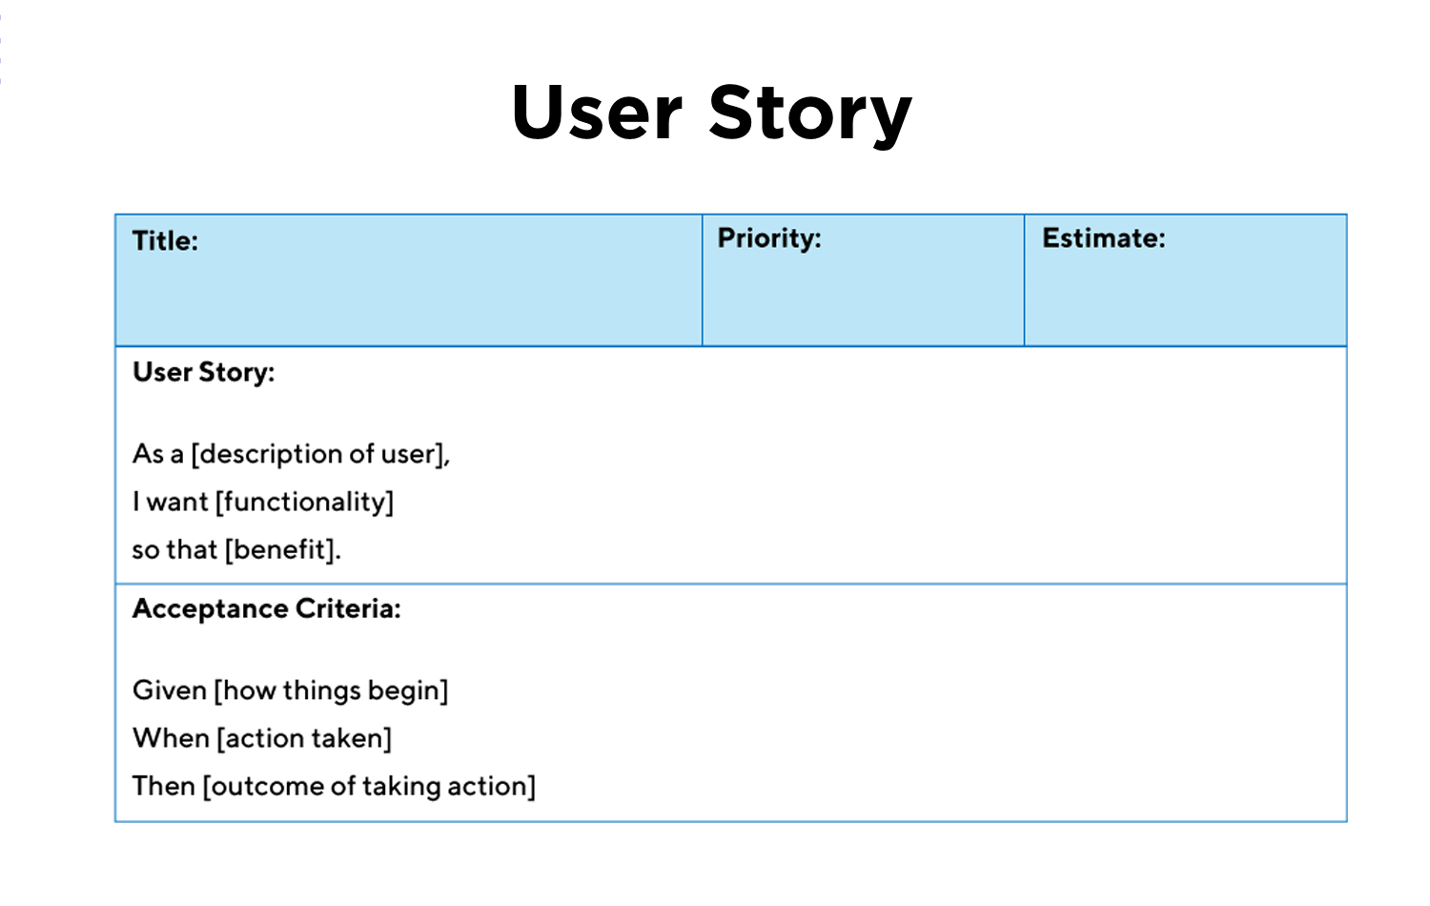
ID | User Story Title | User Story Description | Relates to Epic | Acc_ID | Acceptance Criteria
US-05 | List Customer Contacts | As a sales representative, I want to view and manage all customer contacts in the CRM, so that I can browse through the contact list and quickly view any required information | US_01 | AC-05-01 | Given I am logged into the CRM system as a sales representative, When I navigate to the "Contacts List" page, Then I should see a page title "Contacts List" at the top of the page.
 |  |  |  | AC-05-02 | And the screen should display a label "Actions:" followed by three action buttons: "Add," "Import," and "Export," each on a separate line
 |  |  |  | AC-05-03 | And I should see a list of customer contacts displayed in alphabetical order by name in descending order.
 |  |  |  | AC-05-04 | And each contact entry should display the following details: Customer's name, company name, email, and phone number.
 |  |  |  | AC-05-05 | And each contact entry should include the following action icons to the right of the contact details: View (👁️), Edit (✍️), and Delete (❌).
US-06 | View Individual Customer Contact | As a sales representative, I want to select and view the details of an individual customer contact, so that I can prepare effectively for a meeting or call with the customer | US_01 | AC_06_01 | Given I am logged into the CRM system as a sales representative, And I am on the "Contacts List" page, When I select a contact's name and click on the “View” icon, Then I should be redirected to the "Contact Details" page.
 |  |  |  | AC_06_02 | And on the "Contact Details" page, I should see the following information clearly displayed: o Contact's full name o Company name o Email address o Phone number o Any additional information about the contact (e.g., job title, address, notes).
 |  |  |  | AC_06_03 | And the "Contact Details" page should have options to edit or return to the “Contacts list”.
US-07 | Add New Contact Details | As a sales representative, I want to add new customer contacts to the CRM, so that I can keep my contact list updated and accurate. | US_01 | AC_07_01 | Scenario 1: Display form to add a new contact Given I am logged into the CRM system as a sales representative And I am on the "Contacts List" page When I click on the "Add New Contact" button Then I should be redirected to an “Add New Contact” form.
 |  |  |  | AC_07_02 | Scenario 2: Validate mandatory fields in the new contact form Given I am on the "Add New Contact" form When I try to submit the form with any mandatory field (Name, Phone Number, or Email) left empty Then the system should display an error message indicating that the field is required And the contact should not be saved.
 |  |  |  | AC_07_03 | Scenario 3: Validate input data format and completeness Given I am on the "Add New Contact" form When I enter an invalid email format or phone number Then the system should display an error message indicating the correct format And the contact should not be saved.
 |  |  |  | AC_07_04 | Scenario 4: Check for duplicate contact details Given I am on the "Add New Contact" form When I enter a phone number or email address that already exists in the CRM Then the system should display an error message indicating that the contact already exists And the contact should not be saved.
 |  |  |  | AC_07_05 | Scenario 5: Successfully add a new contact Given I have entered valid and unique information for all mandatory fields When I submit the "Add New Contact" form Then the system should save the new contact details. And a “Contact added” message should be displayed. And I should be redirected back to the "Contacts List" page And the new contact should be visible in the Contacts list.
 |  |  |  | AC_07_06 | Scenario 6: Handle technical error during contact save Given I have entered valid and unique information for all mandatory fields When I submit the "Add New Contact" form And a technical error occurs while attempting to save the contact Then the system should display a generic error message indicating that the contact could not be saved due to a technical issue And the contact details should not be saved And I should have the option to retry saving the contact or return to the "Contacts List" page.
US-08 | Edit Contact Details | As a sales representative, I want to edit existing customer contact details in the CRM, so that I can ensure the information is current and accurate | US_01 | AC_08_01 | Scenario 1: Display existing contact details for editing Given I am logged into the CRM system as a sales representative And I am on the "Contacts List" page When I select a contact and click the "Edit" icon Then I should be redirected to an "Edit Contact" form And the form should display the existing details of the selected contact.
 |  |  |  | AC_08_02 | Scenario 2: Allow modification of contact details Given I am on the "Edit Contact" form When I modify any of the contact details Then the system should allow changes to be made to any field, including Name, Phone Number, Email, Company Name, and other relevant details.
 |  |  |  | AC_08_03 | Scenario 3: Validate mandatory fields before saving changes Given I have made changes to the contact details in the "Edit Contact" form When I try to save the changes And any mandatory field (Name, Phone Number, Email) is left empty Then the system should display an error message indicating that the field is required And the changes should not be saved until all mandatory fields are filled
 |  |  |  | AC_08_04 | Scenario 4: Validate input data format during edit Given I am editing the contact details When I enter an invalid format for the email or phone number Then the system should display an error message indicating the correct format And the changes should not be saved until the data format is corrected.
 |  |  |  | AC_08_05 | Scenario 5: Save changes after successful validation Given I have made valid changes to the contact details And all mandatory fields are correctly filled When I click the "Save" button Then the system should save the changes And I should be redirected back to the "Contacts List" page And the updated contact details should be visible in the list.
 |  |  |  | AC_08_06 | Scenario 6: Handle technical error during save operation Given I have made valid changes to the contact details And I click the "Save" button When a technical error occurs while attempting to save the changes Then the system should display a generic error message indicating that the changes could not be saved due to a technical issue And the changes should not be lost And I should have the option to retry saving the changes or return to the "Contacts List" page.
US-09 | Delete Contacts | As a sales representative, I want to delete customer contacts from the CRM, so that I can keep the contact list relevant and accurate | US_01 | AC_09_01 | Scenario 1: Display delete option for a contact Given I am logged into the CRM system as a sales representative And I am on the "Contacts List" page When I view the list of customer contacts Then I should see a "Delete" icon (❌) next to each contact entry.
 |  |  |  | AC_09_02 | Scenario 2: Prompt for confirmation before deleting a contact Given I have selected a contact to delete When I click the "Delete" icon Then the system should display a confirmation dialog with the message "Are you sure you want to permanently delete this contact?".
 |  |  |  | AC_09_03 | Scenario 3: Prevent accidental deletion by requiring confirmation Given the system has displayed the confirmation dialog When I click "Cancel" in the confirmation dialog Then the contact should not be deleted And I should remain on the "Contacts List" page.
 |  |  |  | AC_09_04 | Scenario 4: Successfully delete a contact after confirmation Given the system has displayed the confirmation dialog When I click "Confirm" or "Yes" in the confirmation dialog Then the system should delete the contact from the CRM And I should see a success message indicating that the contact has been deleted And the deleted contact should no longer be visible in the "Contacts List" list.
 |  |  |  | AC_09_05 | Scenario 5: Handle technical error during deletion process Given I have clicked "Confirm" or "Yes" in the confirmation dialog When a technical error occurs during the deletion process Then the system should display a generic error message indicating that the contact could not be deleted due to a technical issue And the contact should not be removed from the "Contacts List" list And I should have the option to retry the deletion or cancel the operation
US-10 | Import Contacts | As a sales representative, I want to import contacts from a CSV file to the CRM, so that I can efficiently update my contact list with multiple entries at once. | US_01 | AC_10_01 | Scenario1: Display option to import contacts from CSV Given I am logged into the CRM system as a sales representative And I am on the "Contacts" page When I view the page options Then I should see an option to "Import Contacts" using a CSV file.
 |  |  |  | AC_10_02 | Scenario 2: Upload and validate CSV file format Given I have selected the "Import Contacts" option When I upload a CSV file Then the system should validate the file format to ensure it is a valid CSV And the system should display an error message if the file is not in the correct format
 |  |  |  | AC_10_03 | Scenario 3: Validate data within the CSV file before importing Given I have uploaded a CSV file in the correct format When the system processes the file Then the system should validate the data within the file, checking for required fields (e.g., Name, Phone Number, Email) and proper data formatting And the system should display an error message if any required data is missing or incorrectly formatted.
 |  |  |  | AC_10_04 | Scenario 4: Prevent duplication during import Given the CSV file data is valid When the system checks the contacts against existing entries in the CRM Then the system should avoid duplicating existing contacts by checking for unique identifiers like phone number or email address And the system should only add new, non-duplicate contacts to the CRM.
 |  |  |  | AC_10_05 | Scenario 5: Successfully import contacts Given the CSV file data is valid and does not duplicate existing entries When I confirm the import process Then the system should add the new contacts to the existing contact database And I should see a success message indicating that the contacts have been successfully imported And the newly imported contacts should be visible in the "Contacts" list.
 |  |  |  | AC_10_06 | Scenario 6: Handle technical error during import process Given I have confirmed the import process When a technical error occurs during the import Then the system should display a generic error message indicating that the contacts could not be imported due to a technical issue And the contacts should not be added to the CRM And I should have the option to retry the import or cancel the operation.
US-11 | Export Contacts | As a sales representative, I want to export contacts to a CSV file from the CRM, so that I can use the data for reports, mailing lists, or external processes. | US_01 | AC_11_01 | Scenario 6: Handle technical error during import process Given I have confirmed the import process When a technical error occurs during the import Then the system should display a generic error message indicating that the contacts could not be imported due to a technical issue And the contacts should not be added to the CRM And I should have the option to retry the import or cancel the operation.
 |  |  |  | AC_11_02 | Scenario 2: Select contacts to export Given I have chosen to export contacts When I initiate the export process Then I should be able to choose between exporting all contacts or selecting specific contacts to export.
 |  |  |  | AC_11_03 | Scenario 3: Generate CSV file with relevant contact details Given I have selected contacts to export When the system generates the CSV file Then the CSV file should include all relevant contact details such as Name, Company Name, Phone Number, Email, and any additional fields present in the CRM.
 |  |  |  | AC_11_04 | Scenario 4: Successfully export contacts to CSV Given I have selected the contacts and initiated the export process When the system generates the CSV file Then the system should prompt me to download the CSV file And the file should be available for download immediately.
 |  |  |  | AC_11_05 | Scenario 5: Handle technical error during export process Given I have initiated the export process When a technical error occurs during the CSV generation Then the system should display a generic error message indicating that the export could not be completed due to a technical issue And I should have the option to retry the export or cancel the operation.

Gantt Chart
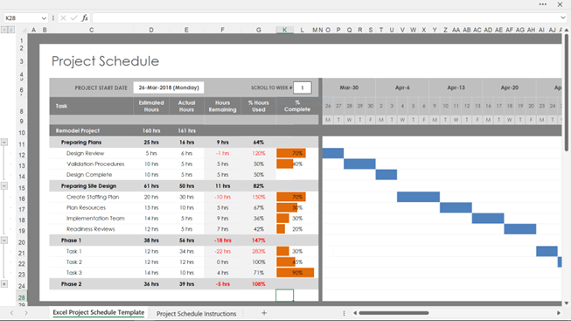
 | Project : | Resource | Duration | Start | End | Sprint 1 |  |  |  |  |  |  |  |  |  |  |  |  |  | Sprint 2 |  |  |  |  |  |  |  |  |  |  |  |  |  | Sprint 3 |  |  |  |  |  |  |  |  |  |  |  |  |  | Sprint 4 |  |  |  |  |  |  |  |  |  |  |  |  |  | Sprint 5 |  |  |  |  |  |  |  |  |  |  |  |  |  | Sprint 6 |  |  |  |  |  |  |  |  |  |  |  |  |  | Sprint 7 |  |  |  |  |  |  |  |  |  |  |  |  |  | Sprint 7
Ref | Phase, User Story/Task | Role or person | Days | Date | Date | 1 | 2 | 3 | 4 | 5 | 6 | 7 | 8 | 9 | 10 | 11 | 12 | 13 | 14 | 1 | 2 | 3 | 4 | 5 | 6 | 7 | 8 | 9 | 10 | 11 | 12 | 13 | 14 | 1 | 2 | 3 | 4 | 5 | 6 | 7 | 8 | 9 | 10 | 11 | 12 | 13 | 14 | 1 | 2 | 3 | 4 | 5 | 6 | 7 | 8 | 9 | 10 | 11 | 12 | 13 | 14 | 1 | 2 | 3 | 4 | 5 | 6 | 7 | 8 | 9 | 10 | 11 | 12 | 13 | 14 | 1 | 2 | 3 | 4 | 5 | 6 | 7 | 8 | 9 | 10 | 11 | 12 | 13 | 14 | 1 | 2 | 3 | 4 | 5 | 6 | 7 | 8 | 9 | 10 | 11 | 12 | 13 | 14 | 1 | 2 | 3 | 4 | 5 | 6 | 7 | 8 | 9 | 10 | 11 | 12 | 13 | 14
UA_01 | Contact Management: Sales representatives can manage customer contacts easily. |  | 20 | 02/09/2024 | 27/09/2024
US_05 | Display Customer Contacts List |  | 3 | 02/09/2024 | 04/09/2024
TSK_05_01 | UX Design - Contacts List Page | Rachel | 1 | 02/09/2024 | 02/09/2024
TSK_05_02 | Contacts List Page development | Lisa | 1 | 02/09/2024 | 03/09/2024
TSK_05_03 | Display Customer Contacts List Data | Mark | 1,5 | 03/09/2024 | 04/09/2024
TSK_05_04 | QA page | Alex | 0.5 | 04/09/2024 | 04/09/2024
US_06 | Individual Customer Contact |  | 3 | 05/09/2024 | 09/09/2024
US_07 | Add New Contact Details |  | 3 | 10/09/2024 | 12/09/2024
US_08 | Edit Contact Details |  | 3 | 13/09/2024 | 17/09/2024
US_09 | Delete Contacts |  | 3 | 18/09/2024 | 20/09/2024
US_10 | Import Contacts |  | 3 | 23/09/2024 | 25/09/2024
US_11 | Export Contacts |  | 2 | 26/09/2024 | 27/09/2024
US_02 | Sales Opportunity Tracking: Users can track sales opportunities and update their status. |  | 10 | 30/09/2024 | 11/10/2024
US_03 | Reporting and Analytics: Sales managers can gain insights into team performance and customer interactions. |  | 30 | 14/10/2024 | 22/11/2024
US_04 | Integration and Automation: CRM integrated with Outlook email & calendar, sales staff receive automated reminders about meetings and tasks |  | 20 | 25/11/2024 | 20/12/2024

